TOC
T

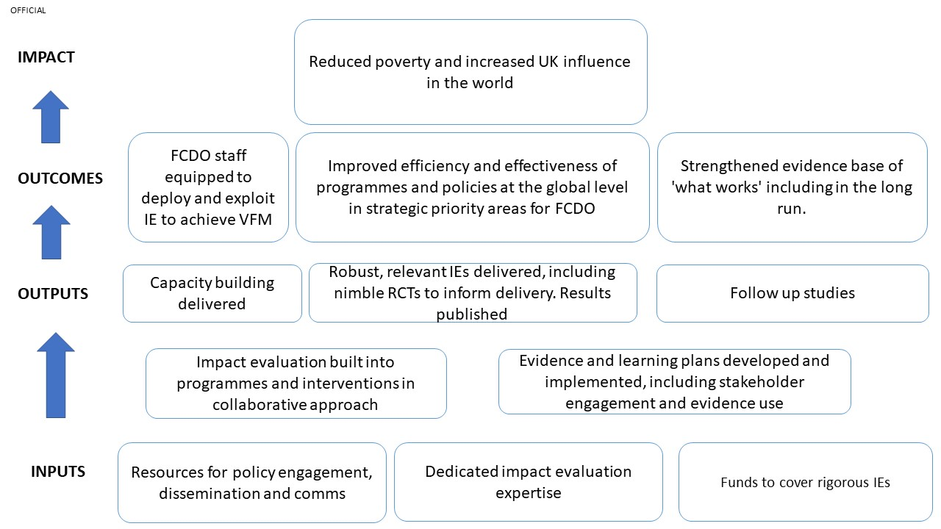

 | THEORY OF CHANGE (ToC)
 | 1. The programme’s ToC aims to address the following key issues:
 | i. IEs are not systematically happening in areas of strategic priority for the organisation and/or where the evidence gap is larger;
 | ii.To conduct an impact evaluation, dedicated technical expertise is needed from pre-pipeline stage; not all teams have this expertise available, and
 | iii. Evaluation budget is linked to programme budget, meaning that rigorous impact evaluations are only happening in programmes with a more generous budget. But this is not necessarily where interesting evaluation questions are.
 | 2. To overcome these issues, the SIEL programme will provide dedicated expertise and funds.
 | 3. Once strategically relevant programmes for collaboration with SIEL have been identified, technical support will be flexibly deployed to help develop the Theory of Change (ToC) for the programme or activity and identify key assumptions and supporting evidence. This will create a better, shared understanding of what the programme aims to achieve and identify key gaps where there is little and/or anecdotal evidence supporting assumptions.
 | 4. An impact evaluation provides evidence of whether the theory underlying the intervention(s) was right and holds true in the operating context of the intervention. I.e., an IE will tell if the programme worked and “how much” it worked. It can also enable estimation of cost-effectiveness of activities.
 | 5. To maximise VfM of programmes and to ensure validity of IE results, SIEL will promote an adaptive approach to programme management and IEs: the programme will evaluate the overall impact of the intervention but before that it will also make sure the intervention is made as effective as possible through adaptive learning.
 | 6. To achieve this, technical experts will support programme teams to develop not only the overall IE design for the programme (or one or more of its components) but also an evidence and learning plan to generate evidence needed at the beginning and along the lifetime of the programme to enable evidence-based, adaptive decision making able to maximise VfM of the intervention along its life-cycle.
 | 7. Publishing IE results and pro-active communication and dissemination of findings will give the opportunity to influence programmes and policies operating in strategic areas of FCDO interest on a global scale. This will not only magnify the impact of IE investments, but it will also develop UK’s reputation as a science power and an evidence-committed force for good in the world.
 | 8. The Theory of Change described here is summarised by Figure 4 below and an assessment of the assumptions behind it is considered in Table 4.

